Лист1
Methods API Reqres | Request | Result | Bug | Attachments
LIST USERS | reqres.in/api/users?page=2 GET | Status: 200 (OK) Time: 57 ms Size: 1.01 kb | none | none
SINGLE USER | reqres.in/api/users/2 GET | Status: 200 (OK) Time: 206 ms Size: 0.27 kb | none | none
 | reqres.in/api/users/14 GET | Status: 404 (Not Found) Time: 251 ms Size: 0.00 kb | Сторінку 14 не знайдено (404) тому що у створеному списку її не існує. У списку 12 записів. | 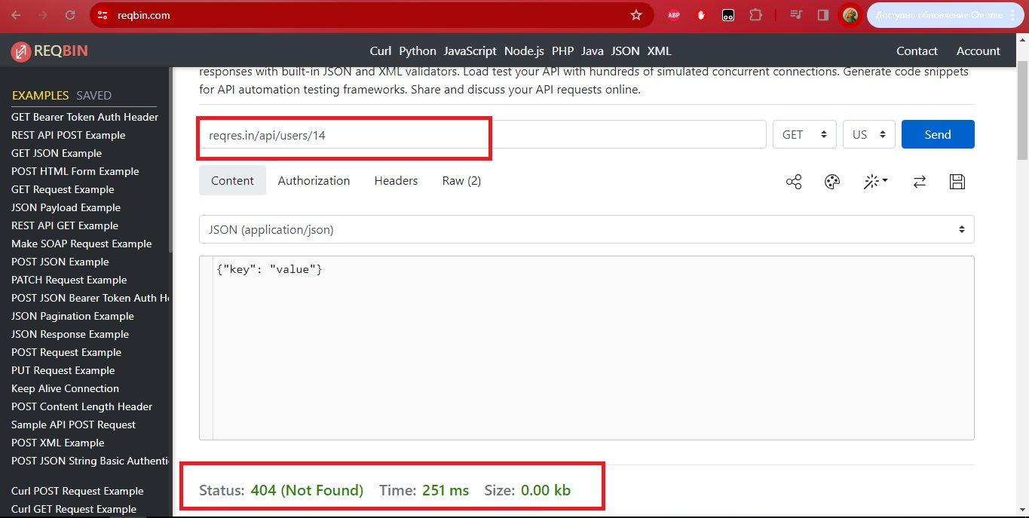
CREATE | reqres.in/api/users POST {"name": "morpheus", "job": "leader"} | Status: 201 (Created) Time: 203 ms Size: 0.08 kb | none | none
 | reqres.in/api/users POST { } | Status: 201 (Created) Time: 201 ms Size: 0.08 kb | none | none
UPDATE (PUT) | reqres.in/api/users/2 PUT {"name": "morpheus", "job": "zion resident"} | Status: 200 (OK) Time: 252 ms Size: 0.08 kb | none | none
 | reqres.in/api/users/123 PUT {"name": "morpheus", "job": "zion resident"} | Status: 200 (OK) Time: 254 ms Size: 0.08 kb | none | none
UPDATE (PATCH) | reqres.in/api/users/2 PATCH {"name": "morpheus", "job": "zion resident"} | Status: 200 (OK) Time: 208 ms Size: 0.08 kb | none | none
 | reqres.in/api/users/221 PATCH {"name": "morpheus", "job": "zion resident"} | Status: 200 (OK) Time: 218 ms Size: 0.08 kb | none | none
DELETE | reqres.in/api/users/2 DELETE | Status: 204 (No Content) Time: 223 ms Size: 0.00 kb | none | none
 | reqres.in/api/users/2555555555555555555555 DELETE | Status: 204 (No Content) Time: 243 ms Size: 0.00 kb | none | none
REGISTER - SUCCESSFUL | reqres.in/api/register POST {"email": "eve.holt@reqres.in", "password": "pistol"} | Status: 200 (OK) Time: 212 ms Size: 0.04 kb | none | none
 | reqres.in/api/register POST {"email": "eve.holt@reqres.in"} | Status: 400 (Bad Request) Time: 205 ms Size: 0.03 kb | Регистрація без пароля неможлива "error": "Missing password" | 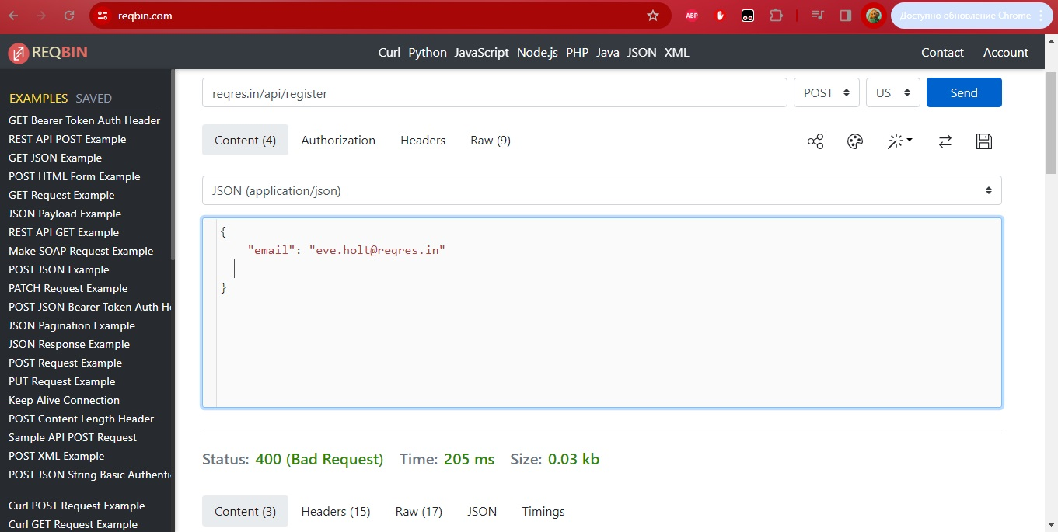
 | reqres.in/api/register POST { "password": "pistol"} | Status: 400 (Bad Request) Time: 202 ms Size: 0.04 kb | Регистрація бел логіна неможлива "error": "Missing email or username" | 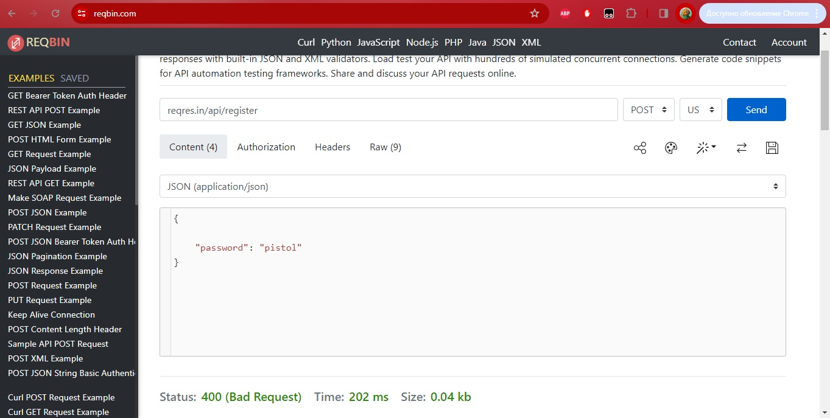
 | reqres.in/api/register POST { } | Status: 400 (Bad Request) Time: 207 ms Size: 0.04 kb | Регистрація бел логіна та пароля неможлива "error": "Missing email or username"
LOGIN - SUCCESSFUL | reqres.in/api/login POST {"email": "eve.holt@reqres.in", "password": "cityslicka"} | Status: 200 (OK) Time: 212 ms Size: 0.03 kb | none | none
 | reqres.in/api/login POST {"email": "eve.holt@reqres.in"} | Status: 400 (Bad Request) Time: 263 ms Size: 0.03 kb | Регистрація без пароля неможлива "error": "Missing password" | 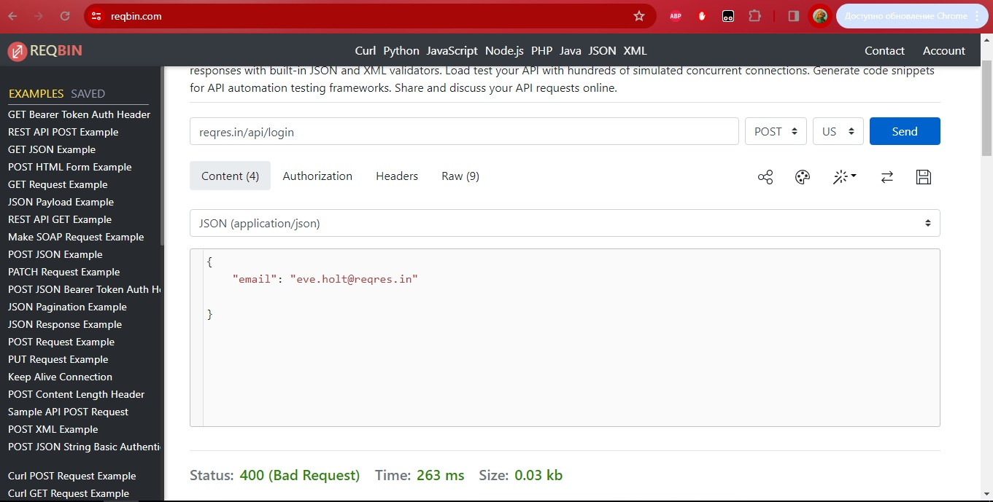
 | reqres.in/api/login POST {"password": "cityslicka"} | Status: 400 (Bad Request) Time: 209 ms Size: 0.04 kb | Регистрація бел логіна неможлива "error": "Missing email or username" | 
 | reqres.in/api/login POST { } | Status: 400 (Bad Request) Time: 203 ms Size: 0.04 kb | Регистрація бел логіна та пароля неможлива "error": "Missing email or username" | 